Domestic QTN format
Technical Data Sheet - Domestic Monoblock Heat Pump (Air to Water)
   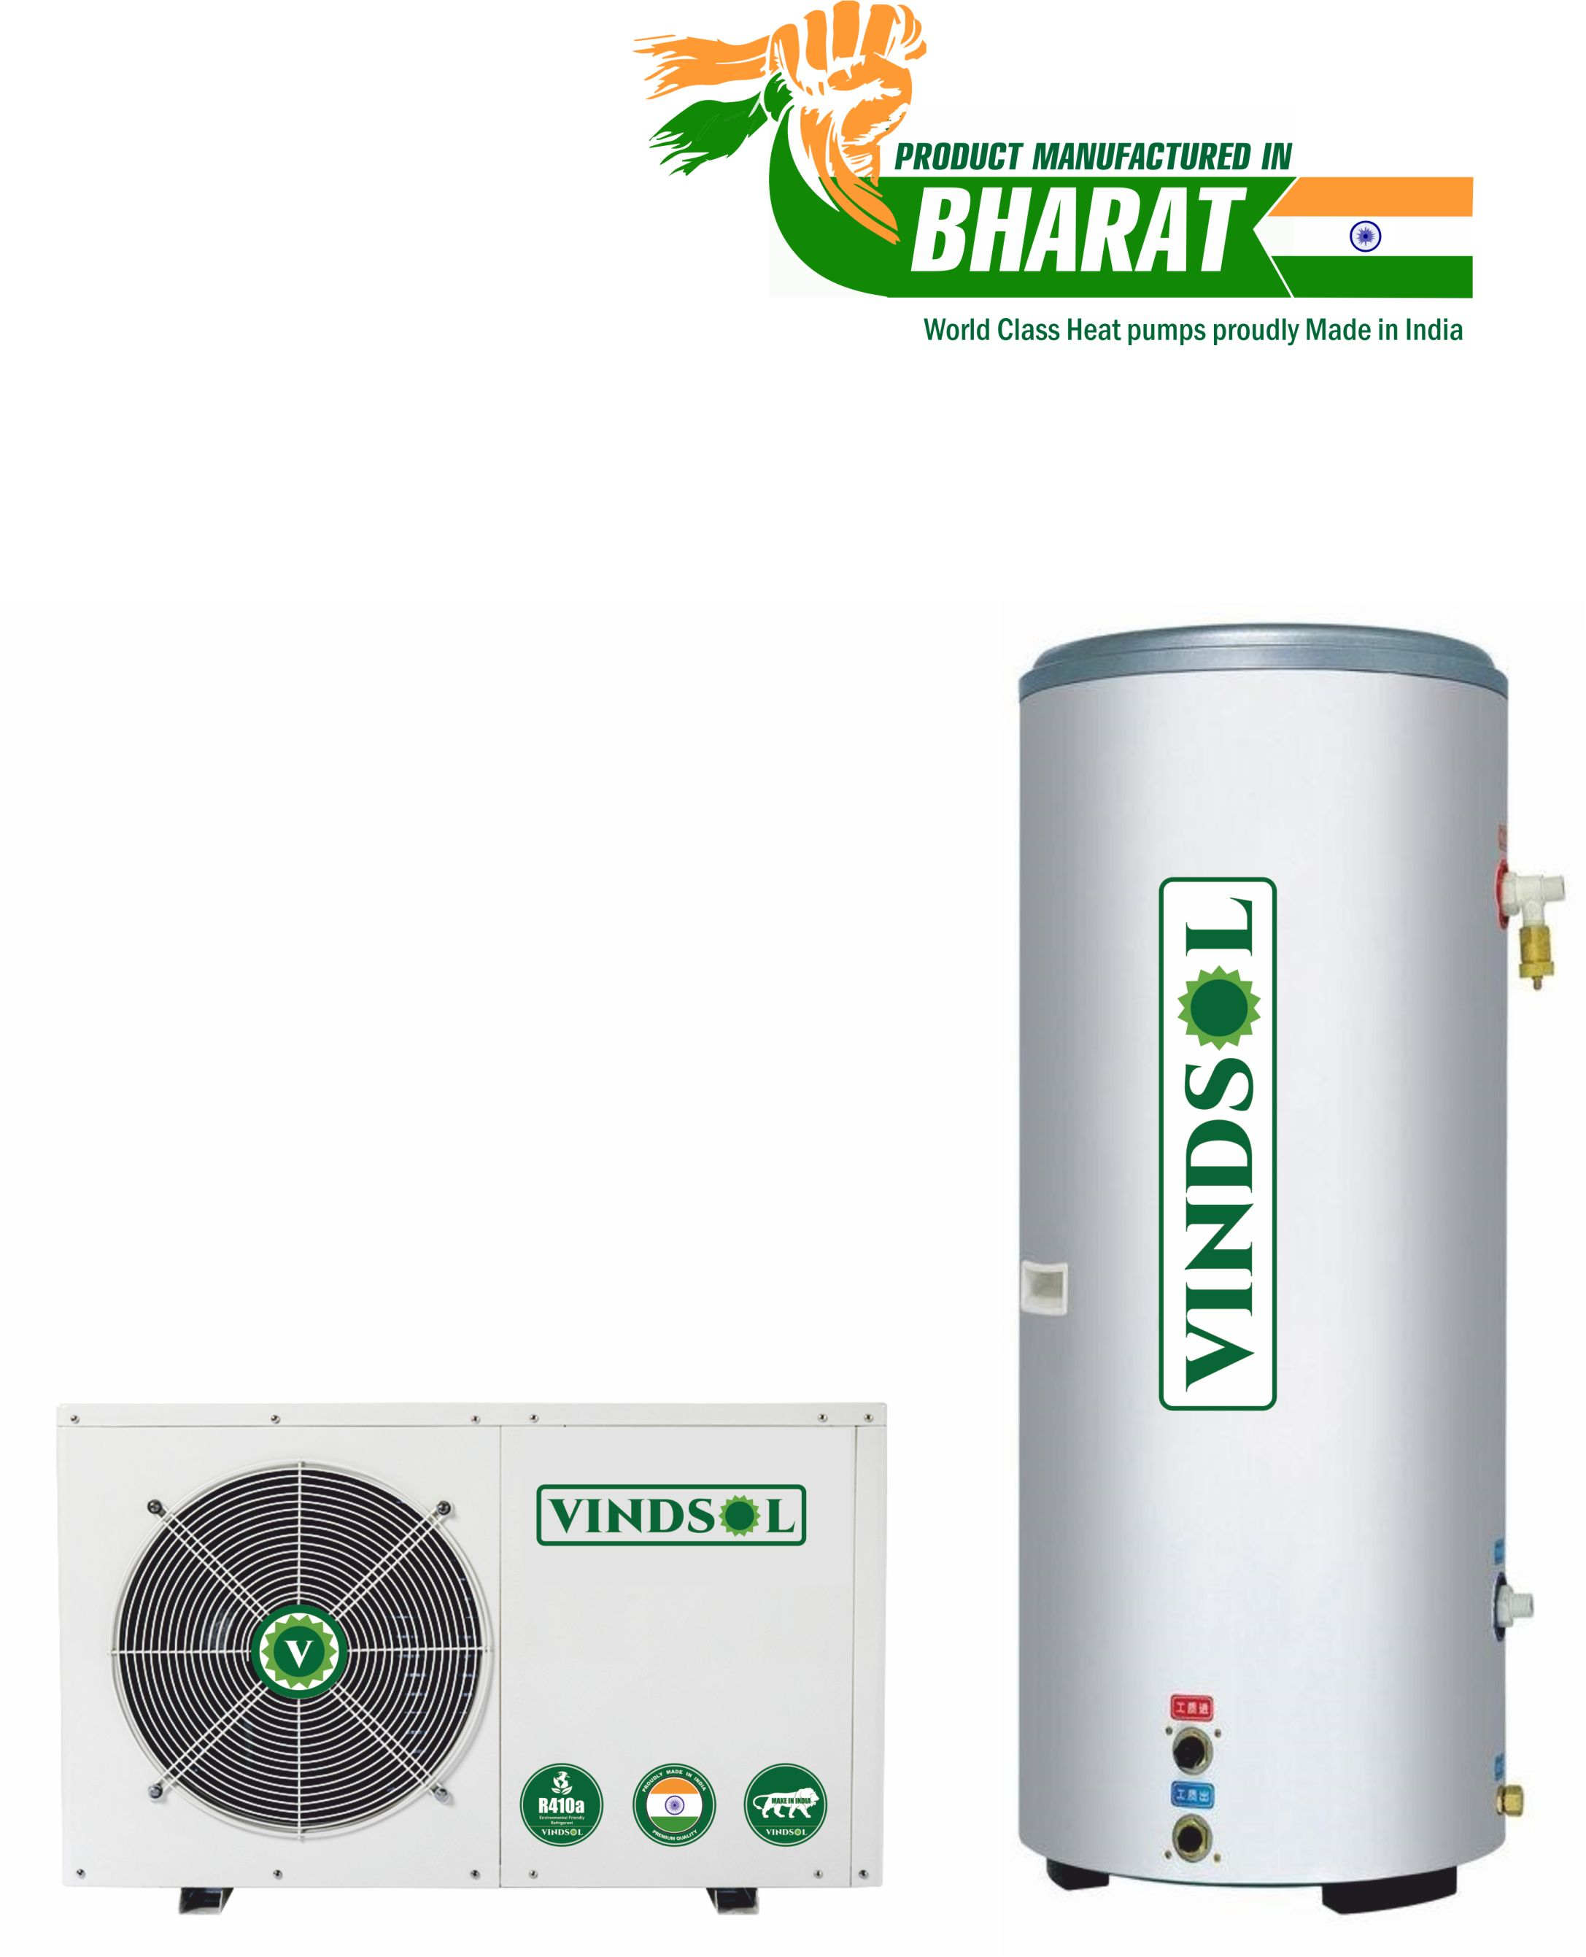
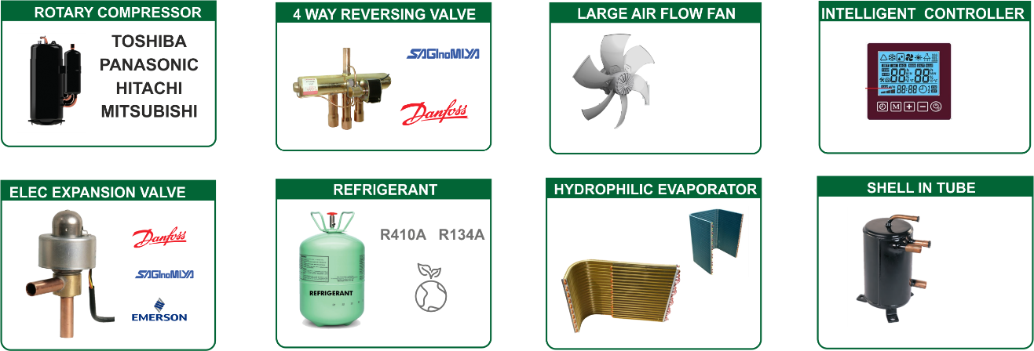 Characteristics: 1) Adopts Tube in Shell heat exchanger and with inbuilt Circulating Pump inside. 2) Efficient Rotary compressor; Safe, Reliables, Stable running & durable. 3) Efficient Saginomya four-way valve; It is very efficient in defrosting in low ambient temp 4) Electronic Expansion Valve (EEV) ; Making sure the best velocity of flow. that make the system to run in a stable state and reduce trouble 5) Tube in tube heat exchanger inside with higher heat exchange efficiency than tube in shell heat exchanger used by others, with higher reliability & longer lifetime. 6) Green & Environment-friendly Refrigerant : R410A or R134A 7) Full consideration for noise control; Compressor rubber feet specially selected to reduce vibration. 8) Unique super energy saving controlling system can save extra 10% energy than other units in market. 9) Reliable Design and Strict Quality Control; All products 100% are tested and run at the factory to assure proper operation of all components and safety switches.
Features and Protection :
High pressure protection | When water flow is too small or water temp. too high ,will prevent compressor to be damaged
Low pressure protection | protection When refrigerant leaked , prevent compressor work without pressure.
Anti - freezing protection | Prevent water pipes and water tank freezing
Water pressure protection | Water tank equipped with safty valve( T/P valve) to prevent water tank to be damanged
Timing function | Freely set heat pump start/stopping time.
Manual switch | Seperated start/stop signal can be connected with solr system(for choice)
WIFI * | Controller with WIFI function, can monitor/set water tank temp.,start /stop heat pump by mobile .(Specific models choice)
Super energy | saving mode Can save extra 10% energy than other heat pump on the market
TECHNICAL SPECIFICATION
Model |  | VDHP 3TR
Heating Capacity | W | 9984 | Evaporter | Fin Type | Hydrophillic Aluminium
 | Btu/h | 34065 |  | Tube Type | Inner Groove Tube
Rated heated water output (*) | L/hr | 215 | Refrigerant | Throttle Type | Electronic expansion valve
Rated heated water output (**) | L/hr | 245 |  | Type | R410A
Rated outlet water temp. | ℃ | 55 ℃ | Water Side | Cycle Flow (lpm) | 42
Max outlet water temp. | ℃ | 60 ℃ |  | Pipe Size (mm) | Rc3/4(DN20)
Rated Input Power | W | 2440 | Fan | Type | Low noise high efficiency axial type
Rated Input Current | A | 12.5 |  | Input Power (W) | 54
Max Input Power | W | 3386 |  | Speed (rpm) | 900
Max. Input Current | A | 16.25 |  | Direction | Horizontal
Power Supply |  | 220V/1N/50Hz |  | Quantity ( Nos) | 1
Compressor | Type | Fully closed Rotary Type | Protections | Under / Over voltage protection, Under /Over current protection, Open phase, Phase reversal, Phase imbalance, Compressor high discharge temperature protection, Compressor high discharge pressure protection, Compressor overload, Anti-Freeze protection.
 | Make | Panasonic
 | Start Mode | Direct Start
 | Quantity ( Nos) | 1
Water Proof Grade |  | IP X4 | Noise DB(A) | dBA | ≤55dB(A)
Electric Shock Protection Type |  | Grade I | Net Weight | Kg | 65
Heat Exchanger | Type | High efficiency tube in shell heat exchanger | Cabinet | Type | Stainless steel / Powder coated steel
 | Quantity ( Nos) | 1 | Dimension | LxWXH | 1115X720X480
Qty |  | 1
Testing condition : * Heating: Ambient temp. (DB/WB): 20℃/15℃, water temp. (input/output): 15℃/55℃. ** Heating: Ambient temp. (DB/WB): 20℃/15℃, water temp. (input/output): 15℃/55℃. The above data is only for reference: specific data is subject to the product
HOT WATER STORAGE TANK
Model | / | VSGLHT 500 | 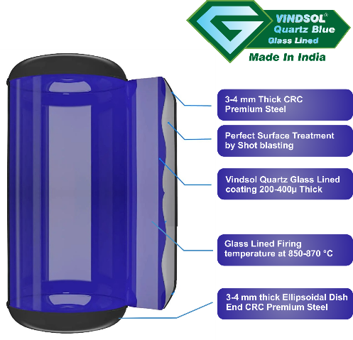 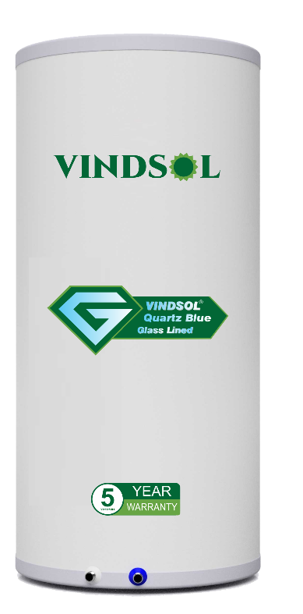
Water tank volume | L | 500 lts
Shell material | / | Pre Coated GI 0.5 mm
Inner tank Shell thickness | mm | 3-4 mm CRC premium Steel
Inner tank Dia | mm | 600
Outer Tank Dia | mm | 700
Dish End | / | Ellipsoidal Dish 3-4 mm CRC premium Steel
Inner tank Coating | / | QuartzBlue Glass lining
tank Insualtion Polyurethane | / | High density compressed PUF insualtion 50 mm
Glass Lining Firing Temp | mm | 850-870 Degree
Water inlet/outlet conection | mm | G3/4"
Circulation water inlet/outlet conection | mm | G3/4"
Drain water conection | Bar | G1/2"
Working Pressure Max | Bar | 4
Testing Pressure | Nos | 6
Qty | Nos | 2

Optional Accessories for the Pressurised Tank ( Safety Kit Pack )
 | WATTS imported 3/4 inch lead free Vacuum Relief Valve is suitable for low pressure steam and water service, and is ideal for use in domestic water heaters and supply tanks. This valve automatically allows air to enter into the piping system to prevent vacuum conditions that could siphon water from the system and damage water equipment. It consists of a lead free body construction, NPT male inlet connection, and a protective cap. Maximum working pressure is 200 PSI.
Safety Pressure Relief Valve 1/2″ 3 Bar , Protects hot water cylinders and heating components from high pressure |  | Automatic Air Vent valve Brass Automatic Air Vent valve 1/2'' BSP male thread. It automatically removes trapped air from a central heating installation. Shut off cap that can be used to stop auto venting. |  |  | Safety Kit Pack : - Rs. 2050/- + GST Extra
Optional Accessories For Electric Backup heating
All heaters are tested to ISI no. 4159 specification no. I.S.I.02/1967/II/I/I/& II-2 |  | Electric Back up Heater with Heating element of 2 KW / 3 KW heating capacity , with Solid state relay and built in Themrostat 01 B.S.P. FLANGE 1.5", BRASS 02 HEATING ELEMENT SS304 03 TERMINAL BOX M.S.

 |  | Total Heat Pump + Tank + safety Accessories + Heat Element |  |  | 230100
 |  |  | GST @ 18% |  | 41418
 |  |  | Grand Total |  | 271518

TERMS & CONDITIONS
1. Prices applicable are Ex.Godown .F.O.R, Transportation charges extra at actual will be to dealer’s account.
2. Delivery: Ex Stock else 4-5 weeks from the date of firm PO along with Advance.
3. Payment terms: 100 % advance against Pro forma
4. Packing charges : 2 % extra
5. Taxes: GST as applicable @ 18%
6. Unloading and Shifting of system to required location, installation with required plumbing and accessories will be in customer scope
7. Warranty: The unit shall carry a 12 months Standard Warranty, from date of Delivery against manufacturing defects.
8. The rates are only for the Heat pump and Hot water tank and not for any other accessories or plumbing with insulation as per site demand.
9. System comes without electric backup in case Electrical backup required it will be at @ extra.
10. Under our guidance, Complete Plumbing along with necessary accessories for heat pump and incoming power
11 . Supply to heat pump will be done by your plumbing & electrical team.
12. Pedestal details for heat pump location at site will be given by us and to be executed by customer

final design tank
Technical Data Sheet - QuartzBlue Glass Lined Storage tanks
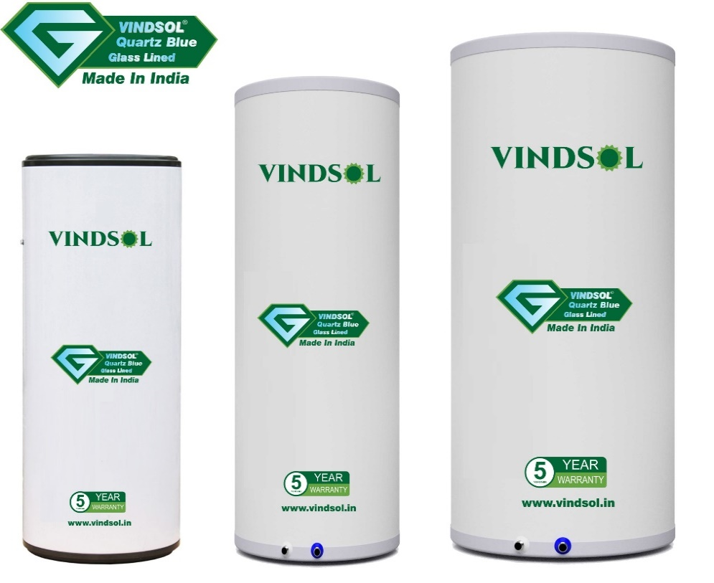
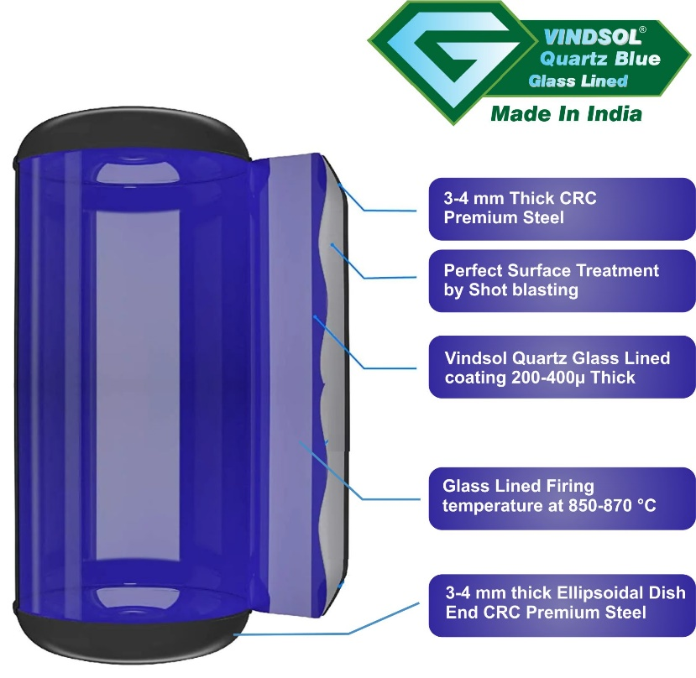 |  |  | Introducing Vindsol Quartz Blue Glasslined Hot Water Storage Tanks with lowest standing loss and steel tank which is efficient and long lasting. Our constant endeavour to make our products more durable, corrosion resistant and long lasting by using right mix of technology and raw material. The Glass Enamel Powder imported from Germany. The Vindsol Quartz Blue Glass Lined storage tanks are an efficient option for solar water heaters. The inner tank is made from mild steel with a thin vitreous Porcelain enamelled glass coating inside of the vessel. The inner tank is encased with high density polyurethane insulation and a tough “Precoated Galvanised sheet” outer casing, fit to withstand India’s unforgiving climate! This type of hot water storage tank is better suited for areas with hard water or poor water qualities, for example bore water or hard water with higher salt content. It also meets drinking water standards, and it can withstand temperatures up to 95 C.
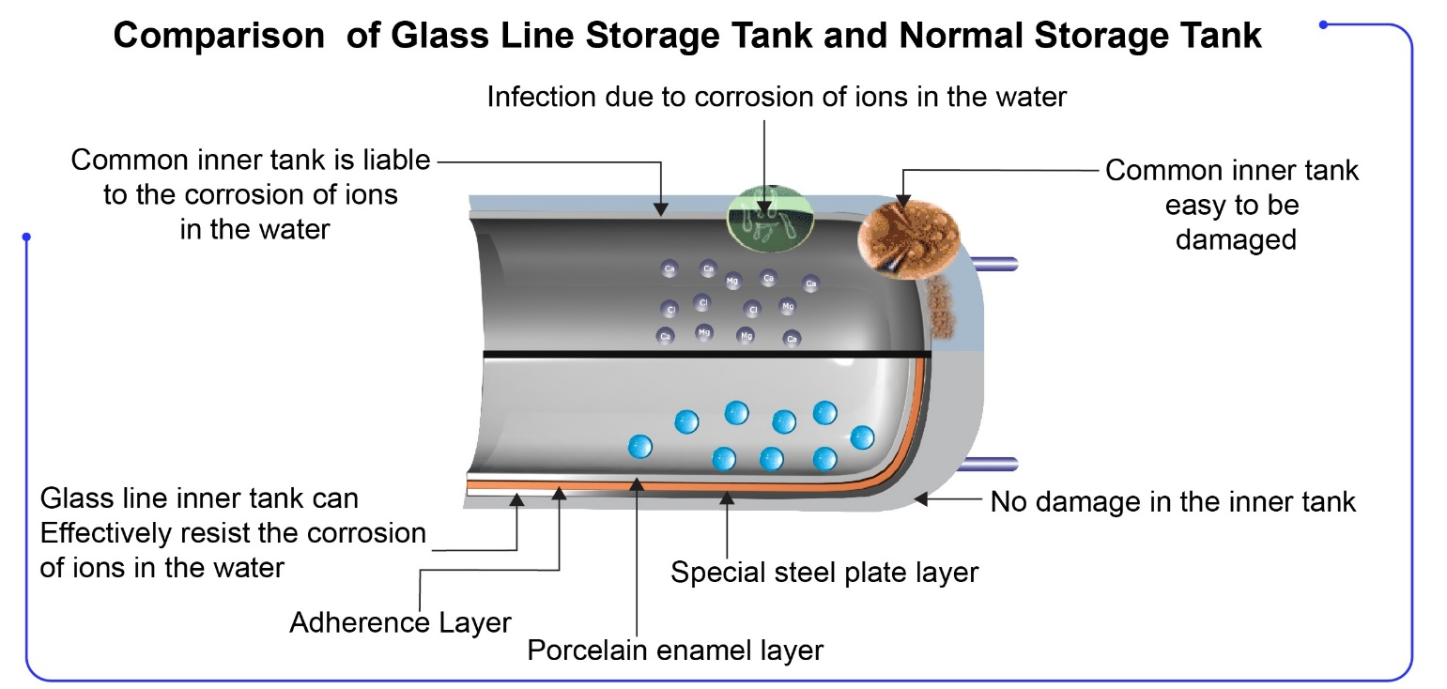
HOT WATER STORAGE TANK
Model | VSGLHT 500 |  | 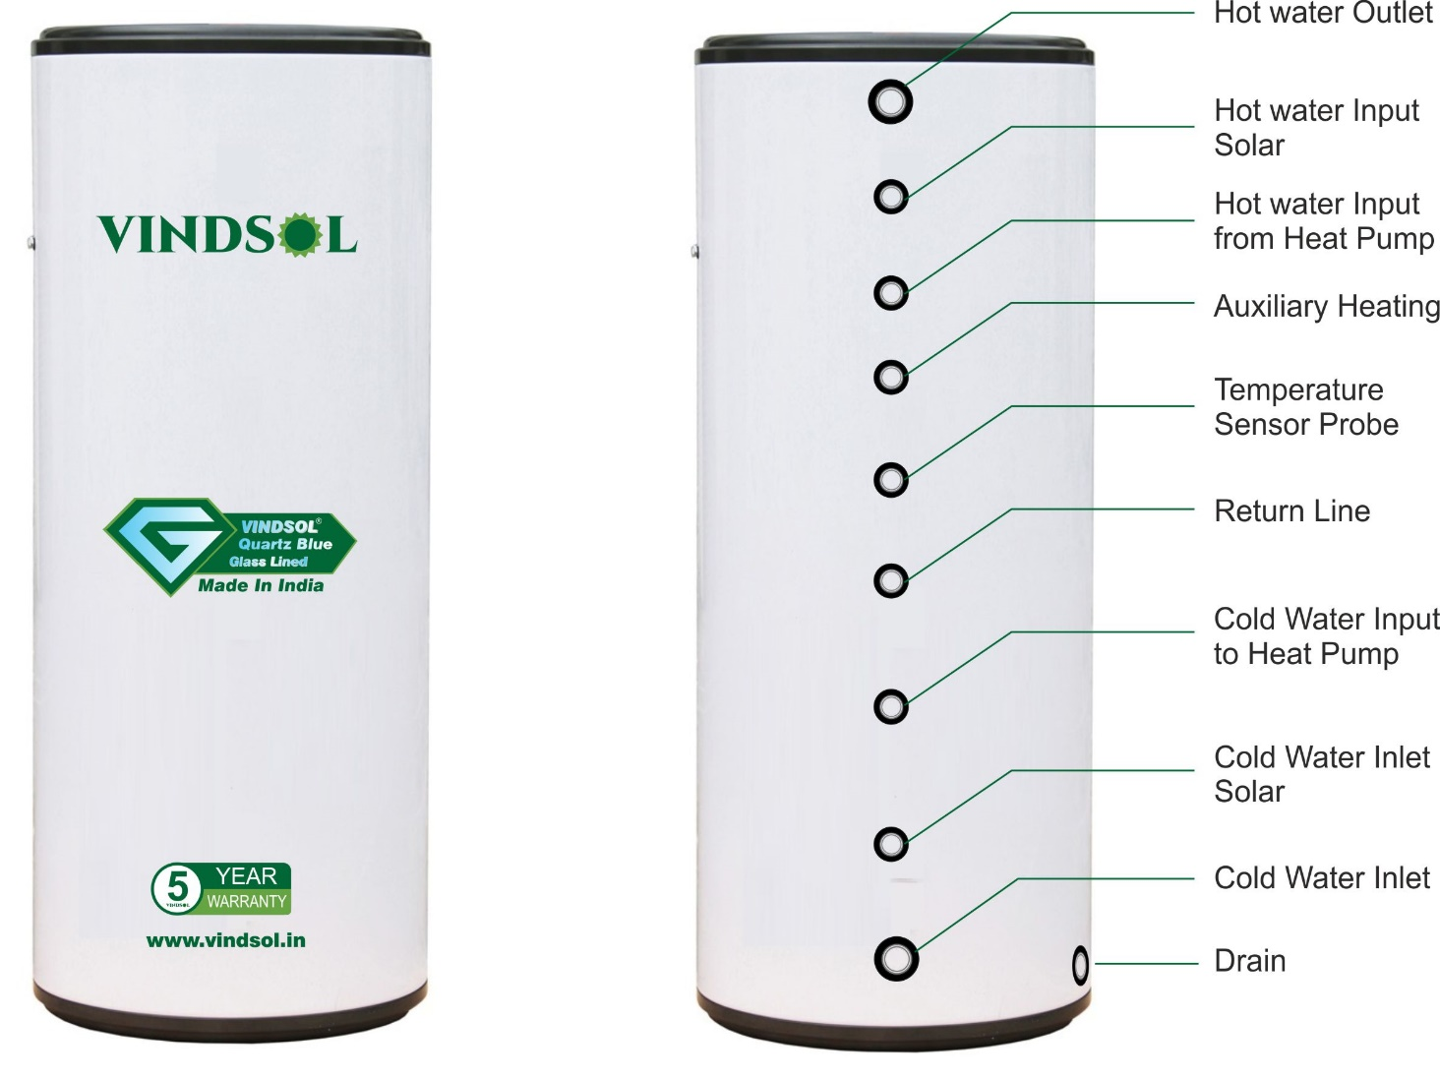
Tank Volume (Ltr.) | 500
Inner Tank Dia. | 600
Outer tank Dia . | 700
Inner Tank Material | 3- 4 mm CRC Premium steel ( TATA)
Inner tank Coating | QuartzBlue Glass lining
Coating Thickness | 250 to 350 micron
Pressure withstanding capacity | 4 - 5Bar
Firing temperature | 850-870 Deg C.
Inner Tank Dish End | ellipsoid size dish end (3-4 mm CRC Premium steel )
Inner Tank Welding | MIG Welding
Tank Nipple | MS
Tank Nipple size | 1 ‘’ x 100 mm long for inlet and outlet ,
 | 1.25’’ for electric heater
Sacrifice Anode | Magnesium size ( length 130mm x 25mm diameter )
Outer Tank | 0.50 mm Pre-Coated GI sheet ( Jindal )
Insulation | High density compressed PUF Insulation. (Min 36 Kg/m3 )
Thickness Of Insulation | 50 MM
Heat loss | Overnight temperature loss 2-3 degree C.
Optional Accessories for the Pressurised Tank ( Safety Kit Pack )
 | WATTS imported 3/4 inch lead free Vacuum Relief Valve is suitable for low pressure steam and water service, and is ideal for use in domestic water heaters and supply tanks. This valve automatically allows air to enter into the piping system to prevent vacuum conditions that could siphon water from the system and damage water equipment. It consists of a lead free body construction, NPT male inlet connection, and a protective cap. Maximum working pressure is 200 PSI.
Safety Pressure Relief Valve 1/2″ 3 Bar , Protects hot water cylinders and heating components from high pressure |  | Automatic Air Vent valve Brass Automatic Air Vent valve 1/2'' BSP male thread. It automatically removes trapped air from a central heating installation. Shut off cap that can be used to stop auto venting.
Optional Accessories For Electric Backup heating
All heaters are tested to ISI no. 4159 specification no. I.S.I.02/1967/II/I/I/& II-2 |  | Electric Back up Heater with Heating element of 2 KW / 3 KW heating capacity , with Solid state relay and built in Themrostat 01 B.S.P. FLANGE 1.5", BRASS 02 HEATING ELEMENT SS304 03 TERMINAL BOX M.S.
Complete water Heating Solutions | Mechzephyr Engineering Pvt Ltd shed No A 70 , KSSIDC , Bommasandra Industrial Area, Bangalore – 560099 Mobile : 9900095490 | Email: deepak@vindsol.in |  |  | Domestic water heat pumps Commercial Water Heat Pumps Next Gen Thermodynamics Heat Pumps Swimming pool heat pump

